Data validation
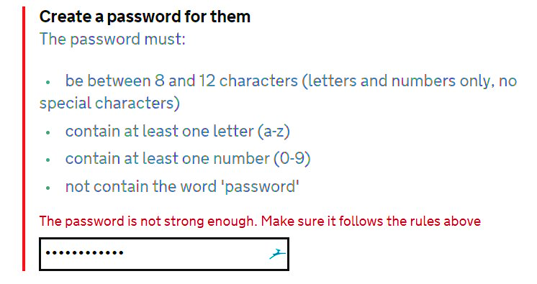
Data Validation
Select from a list, Check for Dates, Number between Certain Value, Specific Text Length
Dynamic List | Not Greater than today | Number must be four digits between 1000 to 2000 | Code must be of 6 Characters | Text should be greater Than 20 Character
Department (List) | Project Start Date | Project Number | Company Code | Project Description | Department
HR |  |  |  |  | Production
Purchasing |  |  |  |  | Research and Development
 |  |  |  |  | Purchasing
 |  |  |  |  | Marketing
 |  |  |  |  | Human Resource Management
 |  |  |  |  | Accounting
 |  |  |  |  | Finance
 |  |  |  |  | sales
 |  |  |  |  | Project
 |  |  |  |  | Designing
 |  |  |  |  | Maintenance
 |  |  |  |  | Store
 |  |  |  |  | Procurement
 |  |  |  |  | Quality
 |  |  |  |  | Inspection
 |  |  |  |  | Packaging
 |  |  |  |  | Dispatch
 |  |  |  |  | Information Technology
 |  |  |  |  | Security
 |  |  |  |  | Administration

 | Data validation works as formating
 | When cell is copied & Pasted, data validation associated with that cell also being copied & pasted.
 | To use table as list : =Indirect("Table_Name")
 | Formulas can recognize & use table name, but data validation can not recognize table by name, so Indirect function is required to use table name in data validation.
 | Using Find & Select you can select all cells having data validation in a Sheet

